Admin
Bug Location | Bug description | Fix Suggestion | Additional pictures (optional) | Priority | Status
Add User function | Can not add new user because of INSERT error, POST method | Check AddNew.jsx to fix INSERT and POST method | 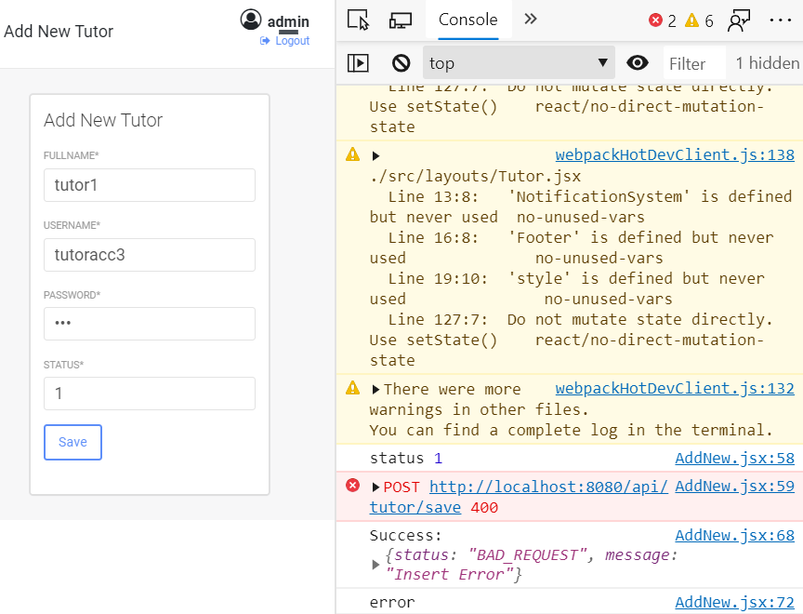 |  | Confirmed
Dashboard | Have no dashboard | Use User management page as Admin Dashboard |  |  | Confirmed
wait menu to fix

Student
Bug Location | Bug description | Fix Suggestion | Additional pictures (optional) | Priority | Status
Menu | Has menu of Admin role | The menu must had those functions only: - View/Change owner Profile. - Manager meeting page (view only) - Join meeting - View Blog General page/Write Blog - Manager Upload file - Upload File - Message - Student Dashboard |  |  | Confirmed
Dashboard | Missing Student Dashboard page | Add Student Dashboard page as picture --> | 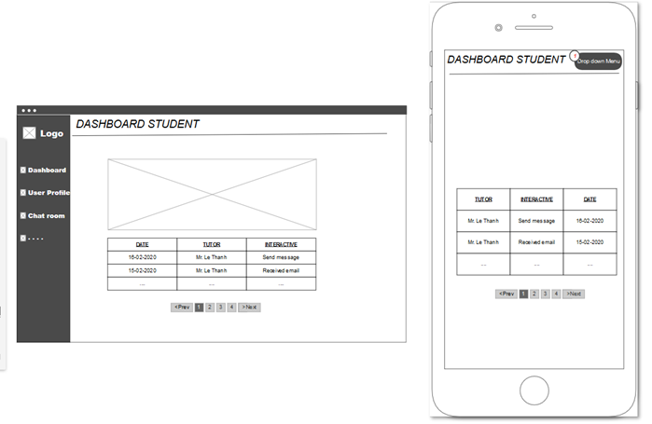 |  | Confirmed
wait menu to fix

Tutor
Bug Location | Bug description | Fix Suggestion | Additional pictures (optional) | Priority | Status
Menu | Has menu of Admin role | The menu must had those functions only: - View/Change owner Profile. - Manager meeting page (view only) - Create meeting - View Blog General page/Write Blog - Manager Upload file - Upload File - Message - Tutor Dashboard |  |  | Confirmed
Dashboard | Missing tutor Dashboard page | Add tutor Dashboard page as picture --> | 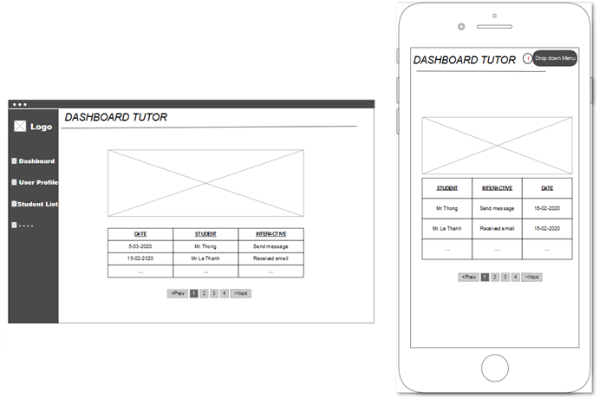 |  | Confirmed
wait menu to fix

Blog
Bug Location | Bug description | Fix Suggestion | Additional pictures (optional) | Priority | Status
Name of User Comment | Did not display the name of current account | Must display the name of the current account Should not display admin name | 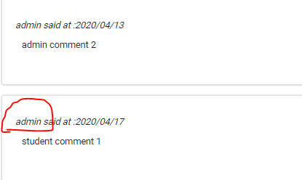 |  | Confirmed

